8ab
Year | Make | Model | Rating | Rating_Sqr | Price
1984 | Chevrolet | Corvette | 18 | 324 | $1,600.00 | a
1956 | Chevrolet | Corvette 265/225-hp | 19 | 361 | $4,000.00
1963 | Chevrolet | Corvette coupe (340-bhp 4-speed) | 18 | 324 | $1,000.00
1978 | Chevrolet | Corvette coupe Silver Anniversary | 19 | 361 | $1,300.00
1960–1963 | Ferrari | 250 GTE 2+2 | 16 | 256 | $350.00
1962–1964 | Ferrari | 250 GTL Lusso | 19 | 361 | $2,650.00
1962 | Ferrari | 250 GTO | 18 | 324 | $375.00
1967–1968 | Ferrari | 275 GTB/4 NART Spyder | 17 | 289 | $450.00
1968–1973 | Ferrari | 365 GTB/4 Daytona | 17 | 289 | $140.00
1962–1967 | Jaguar | E-type OTS | 15 | 225 | $77.50
1969–1971 | Jaguar | E-type Series II OTS | 14 | 196 | $62.00
1971–1974 | Jaguar | E-type Series III OTS | 16 | 256 | $125.00
1951–1954 | Jaguar | XK 120 roadster (steel) | 17 | 289 | $400.00
1950–1953 | Jaguar | XK C-type | 16 | 256 | $250.00
1956–1957 | Jaguar | XKSS | 13 | 169 | $70.00

 |  |  |  |  |  |  | Non-linear relationship (curve)

 |  |  |  |  |  | b | SUMMARY OUTPUT |  |  |  |  |  |  |  |  | SUMMARY OUTPUT

 |  |  |  |  |  |  | Regression Statistics |  |  |  |  |  |  |  |  | Regression Statistics
 |  |  |  |  |  |  | Multiple R | 0.83802987387 |  |  |  |  |  |  |  | Multiple R | 0.69540427744
 |  |  |  |  |  |  | R Square | 0.70229406949 |  |  |  |  |  |  |  | R Square | 0.48358710908
 |  |  |  |  |  |  | Adjusted R Square | 0.65267641441 |  |  |  |  |  |  |  | Adjusted R Square | 0.44386304054
 |  |  |  |  |  |  | Standard Error | 668.31169569 |  |  |  |  |  |  |  | Standard Error | 845.67365753
 |  |  |  |  |  |  | Observations | 15 |  |  |  |  |  |  |  | Observations | 15

 |  |  |  |  |  |  | ANOVA |  |  |  |  |  |  |  |  | ANOVA
 |  |  |  |  |  |  |  | df | SS | MS | F | Significance F |  |  |  |  | df | SS | MS | F | Significance F
 |  |  |  |  |  |  | Regression | 2 | 12643603.962 | 6321801.9811 | 14.154116479 | 0.00069618540932 |  |  |  | Regression | 1 | 8706159.0778 | 8706159.0778 | 12.17365509 | 0.0039969054317
 |  |  |  |  |  |  | Residual | 12 | 5359686.2711 | 446640.52259 |  |  |  |  |  | Residual | 13 | 9297131.1555 | 715163.93504
 |  |  |  |  |  |  | Total | 14 | 18003290.233 |  |  |  |  |  |  | Total | 14 | 18003290.233

 |  |  |  |  |  |  |  | Coefficients | Standard Error | t Stat | P-value | Lower 95% | Upper 95% | Lower 95.0% | Upper 95.0% |  | Coefficients | Standard Error | t Stat | P-value | Lower 95% | Upper 95% | Lower 95.0% | Upper 95.0%
 |  |  |  |  |  |  | Intercept | 33828.504681 | 13656.805135 | 2.4770438141 | 0.029115369948 | 4072.8824393 | 63584.126922 | 4072.8824393 | 63584.126922 | Intercept | -6420.5545977 | 2097.1044768 | -3.0616283874 | 0.0090941911112 | -10951.073379 | -1890.0358166 | -10951.073379 | -1890.0358166
 |  |  |  |  |  |  | Rating | -4570.608962 | 1688.1238291 | -2.7075081124 | 0.01904299726 | -8248.7148189 | -892.50310511 | -8248.7148189 | -892.50310511 | Rating | 433.16594828 | 124.1491677 | 3.4890765382 | 0.0039969054317 | 164.95797764 | 701.37391891 | 164.95797764 | 701.37391891
 |  |  |  |  |  |  | Rating_Sqr | 153.55499725 | 51.717291496 | 2.969122953 | 0.011720271795 | 40.87269902 | 266.23729547 | 40.87269902 | 266.23729547

8c
Year | Make | Model | Rating | LogRating | Rating_Sqr | Price | LogPrice
1984 | Chevrolet | Corvette | 18 | 1.2552725051 | 324 | $1,600.00 | 3.2041199827
1956 | Chevrolet | Corvette 265/225-hp | 19 | 1.278753601 | 361 | $4,000.00 | 3.6020599913
1963 | Chevrolet | Corvette coupe (340-bhp 4-speed) | 18 | 1.2552725051 | 324 | $1,000.00 | 3
1978 | Chevrolet | Corvette coupe Silver Anniversary | 19 | 1.278753601 | 361 | $1,300.00 | 3.1139433523
1960–1963 | Ferrari | 250 GTE 2+2 | 16 | 1.2041199827 | 256 | $350.00 | 2.5440680444
1962–1964 | Ferrari | 250 GTL Lusso | 19 | 1.278753601 | 361 | $2,650.00 | 3.4232458739
1962 | Ferrari | 250 GTO | 18 | 1.2552725051 | 324 | $375.00 | 2.5740312677
1967–1968 | Ferrari | 275 GTB/4 NART Spyder | 17 | 1.2304489214 | 289 | $450.00 | 2.6532125138
1968–1973 | Ferrari | 365 GTB/4 Daytona | 17 | 1.2304489214 | 289 | $140.00 | 2.1461280357
1962–1967 | Jaguar | E-type OTS | 15 | 1.1760912591 | 225 | $77.50 | 1.8893017025
1969–1971 | Jaguar | E-type Series II OTS | 14 | 1.1461280357 | 196 | $62.00 | 1.7923916895
1971–1974 | Jaguar | E-type Series III OTS | 16 | 1.2041199827 | 256 | $125.00 | 2.096910013
1951–1954 | Jaguar | XK 120 roadster (steel) | 17 | 1.2304489214 | 289 | $400.00 | 2.6020599913
1950–1953 | Jaguar | XK C-type | 16 | 1.2041199827 | 256 | $250.00 | 2.3979400087
1956–1957 | Jaguar | XKSS | 13 | 1.1139433523 | 169 | $70.00 | 1.84509804

SUMMARY OUTPUT

Regression Statistics
Multiple R | 0.88202711271
R Square | 0.77797182755
Adjusted R Square | 0.76089273736
Standard Error | 0.28343818153
Observations | 15

ANOVA
 | df | SS | MS | F | Significance F
Regression | 1 | 3.6594502255 | 3.6594502255 | 45.55112825 | 1.3641045736E-05
Residual | 13 | 1.0443836357 | 0.080337202747
Total | 14 | 4.7038338612

 | Coefficients | Standard Error | t Stat | P-value | Lower 95% | Upper 95% | Lower 95.0% | Upper 95.0%
Intercept | -10.152207418 | 1.8897285564 | -5.3723098927 | 0.00012703100211 | -14.23471776 | -6.0696970754 | -14.23471776 | -6.0696970754
LogRating | 10.422427603 | 1.5442560728 | 6.7491575956 | 1.3641045736E-05 | 7.0862651862 | 13.758590021 | 7.0862651862 | 13.758590021

RESIDUAL OUTPUT |  |  |  |  | PROBABILITY OUTPUT

Observation | Predicted LogPrice | Residuals | Standard Residuals |  | Percentile | LogPrice
1 | 2.9307793893 | 0.27334059337 | 1.0007788568 |  | 3.3333333333 | 1.7923916895
2 | 3.1755094108 | 0.4265505805 | 1.5617248687 |  | 10 | 1.84509804
3 | 2.9307793893 | 0.06922061071 | 0.25343664765 |  | 16.666666667 | 1.8893017025
4 | 3.1755094108 | -0.061566058524 | -0.22541112136 |  | 23.333333333 | 2.096910013
5 | 2.3976459273 | 0.146422117 | 0.53609365902 |  | 30 | 2.1461280357
6 | 3.1755094108 | 0.24773646311 | 0.90703474105 |  | 36.666666667 | 2.3979400087
7 | 2.9307793893 | -0.35674812156 | -1.3061579067 |  | 43.333333333 | 2.5440680444
8 | 2.6720573851 | -0.018844871282 | -0.068996516416 |  | 50 | 2.5740312677
9 | 2.6720573851 | -0.52592934938 | -1.9255792435 |  | 56.666666667 | 2.6020599913
10 | 2.1055185848 | -0.2162168823 | -0.79163245245 |  | 63.333333333 | 2.6532125138
11 | 1.7932290584 | -0.0008373688913 | -0.0030658493545 |  | 70 | 3
12 | 2.3976459273 | -0.30073591434 | -1.101081039 |  | 76.666666667 | 3.1139433523
13 | 2.6720573851 | -0.069997393729 | -0.25628067463 |  | 83.333333333 | 3.2041199827
14 | 2.3976459273 | 0.00029408132418 | 0.0010767166625 |  | 90 | 3.4232458739
15 | 1.457786526 | 0.387311514 | 1.4180593135 |  | 96.666666667 | 3.6020599913

28
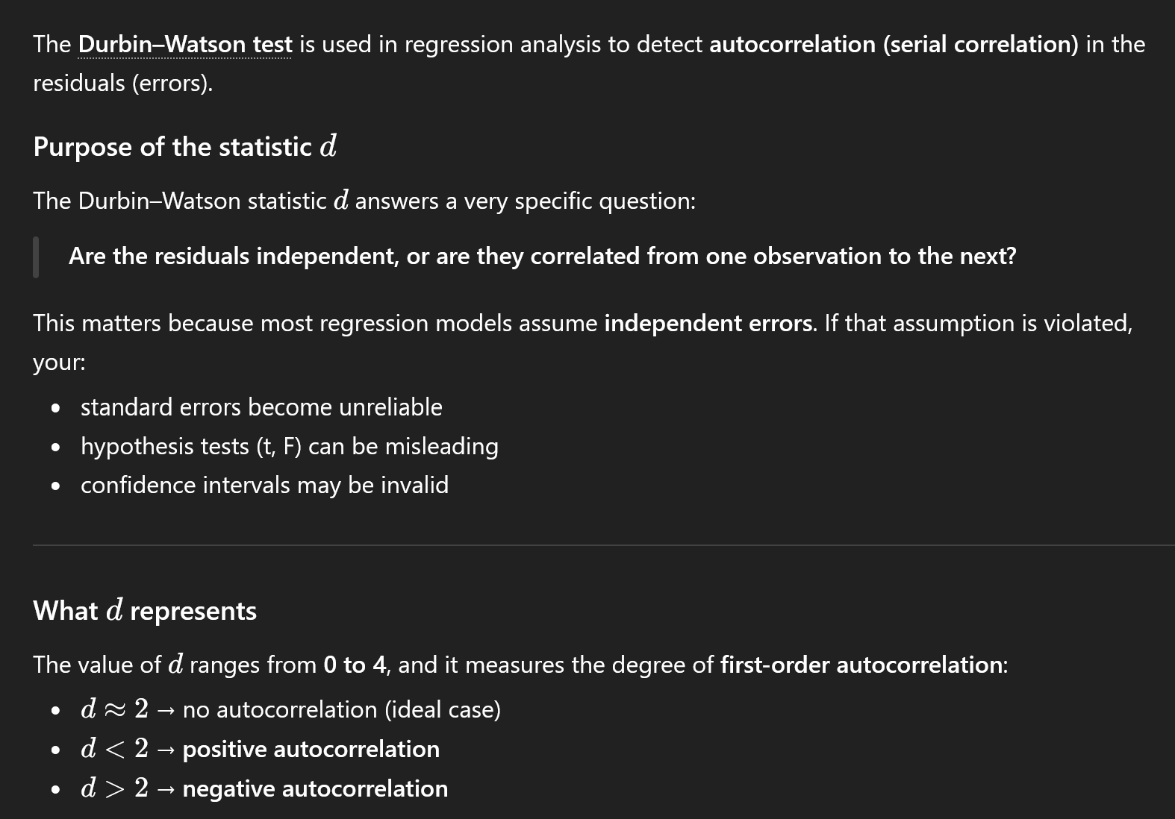
Sales | Poten | AdvExp | Share | Accounts | Time | Change | Work | Rating | y-predict | error (et) | error^2 | et-e(t-1) | et-e(t-1)^2
3669.88 | 74065.10 | 4582.90 | 2.51 | 74.86 | 43.10 | 0.34 | 15.05 | 4.90 | 3357.63 | 312.25 | 97502.29 | 0.00 | 0.00
3473.95 | 58117.30 | 5539.80 | 5.51 | 107.32 | 108.13 | 0.15 | 19.97 | 5.10 | 3785.11 | -311.16 | 96818.43 | -623.41 | 388640.24
2295.10 | 21118.50 | 2950.40 | 10.91 | 96.75 | 13.82 | -0.72 | 17.34 | 2.90 | 2847.37 | -552.27 | 305006.92 | -241.12 | 58137.75
4675.56 | 68521.30 | 2243.10 | 8.27 | 195.12 | 186.18 | 0.17 | 13.40 | 3.40 | 4939.61 | -264.05 | 69723.10 | 288.22 | 83072.50
6125.96 | 57805.10 | 7747.10 | 9.15 | 180.44 | 161.79 | 0.50 | 17.64 | 4.60 | 5525.28 | 600.68 | 360819.11 | 864.73 | 747764.07
2134.94 | 37806.90 | 402.40 | 5.51 | 104.88 | 8.94 | 0.15 | 16.22 | 4.50 | 2087.42 | 47.52 | 2258.32 | -553.16 | 305986.42
5031.66 | 50935.30 | 3140.60 | 8.54 | 256.10 | 365.04 | 0.55 | 18.80 | 4.60 | 5037.78 | -6.12 | 37.41 | -53.64 | 2877.09
3367.45 | 35602.10 | 2086.20 | 7.07 | 126.83 | 220.32 | -0.49 | 19.86 | 2.30 | 2796.68 | 570.77 | 325783.74 | 576.89 | 332803.61
6519.45 | 46176.80 | 8846.20 | 12.54 | 203.25 | 127.64 | 1.24 | 17.42 | 4.90 | 6127.96 | 391.49 | 153261.46 | -179.29 | 32144.35
4876.37 | 42053.20 | 5673.10 | 8.85 | 119.51 | 105.69 | 0.31 | 21.41 | 2.80 | 3941.90 | 934.47 | 873228.59 | 542.98 | 294828.13
2468.27 | 36829.70 | 2761.80 | 5.38 | 116.26 | 57.72 | 0.37 | 16.32 | 3.10 | 2543.08 | -74.81 | 5596.47 | -1009.28 | 1018639.25
2533.31 | 33612.70 | 1991.80 | 5.43 | 142.28 | 23.58 | -0.65 | 14.51 | 4.20 | 2534.65 | -1.34 | 1.78 | 73.47 | 5398.51
2408.11 | 21412.80 | 1971.50 | 8.48 | 89.43 | 13.82 | 0.64 | 19.35 | 4.30 | 2157.83 | 250.28 | 62641.31 | 251.62 | 63311.38
2337.38 | 20416.90 | 1737.40 | 7.80 | 84.55 | 13.82 | 1.01 | 20.02 | 4.20 | 1904.54 | 432.84 | 187350.83 | 182.56 | 33327.41
4586.95 | 36272.00 | 10694.20 | 10.34 | 119.51 | 86.99 | 0.11 | 15.26 | 5.50 | 4882.92 | -295.97 | 87597.19 | -728.81 | 531162.05
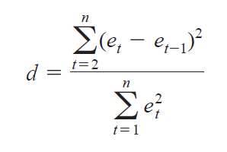
2729.24 | 23093.30 | 8618.60 | 5.15 | 80.49 | 165.85 | 0.04 | 15.87 | 3.60 | 2669.68 | 59.56 | 3547.80 | 355.53 | 126402.77
3289.40 | 26878.60 | 7747.90 | 6.64 | 136.58 | 116.26 | 0.68 | 7.81 | 3.40 | 3462.10 | -172.70 | 29825.61 | -232.26 | 53946.74
2800.78 | 39572.00 | 4565.80 | 5.45 | 78.86 | 42.28 | 0.66 | 16.00 | 4.20 | 2632.28 | 168.50 | 28393.93 | 341.21 | 116421.47
3264.20 | 51866.10 | 6022.70 | 6.31 | 136.58 | 52.84 | -0.10 | 17.44 | 3.60 | 4052.42 | -788.22 | 621289.33 | -956.72 | 915320.97
3453.62 | 58749.80 | 3721.10 | 6.35 | 138.21 | 165.04 | -0.03 | 17.98 | 3.10 | 3935.36 | -481.74 | 232076.99 | 306.48 | 93927.16
1741.45 | 23990.80 | 861.00 | 7.37 | 75.61 | 10.57 | -1.63 | 20.99 | 1.60 | 1723.63 | 17.82 | 317.58 | 499.56 | 249564.79
2035.75 | 25694.90 | 3571.50 | 8.39 | 102.44 | 13.82 | -0.43 | 21.66 | 3.40 | 2704.22 | -668.47 | 446856.10 | -686.29 | 470999.26
1578.00 | 23736.30 | 2845.50 | 5.15 | 76.42 | 8.13 | 0.04 | 21.46 | 2.70 | 1646.51 | -68.51 | 4694.16 | 599.96 | 359950.84
4167.44 | 34314.30 | 5060.10 | 12.88 | 136.58 | 58.44 | 0.22 | 24.78 | 2.80 | 4462.44 | -295.00 | 87022.44 | -226.48 | 51293.97
2799.97 | 22809.50 | 3552.00 | 9.14 | 88.62 | 21.14 | -0.74 | 24.96 | 3.90 | 2605.81 | 194.16 | 37698.21 | 489.16 | 239273.52
 |  |  |  |  |  |  |  |  |  |  |  |  |  | d=
 |  |  |  |  |  |  |  |  |  |  | 4119349.14 |  | 6575194.25 | 1.5961730921
SUMMARY OUTPUT |  |  |  |  |  |  |  |  |  |  | Denom |  | Numerator

Regression Statistics
Multiple R | 0.94892024771
R Square | 0.90044963652
Adjusted R Square | 0.88053956382
Standard Error | 453.8363767
Observations | 25

ANOVA
 | df | SS | MS | F | Significance F
Regression | 4 | 37260199.791 | 9315049.9476 | 45.225833691 | 9.5636512671E-10
Residual | 20 | 4119349.1363 | 205967.45681
Total | 24 | 41379548.927

 | Coefficients | Standard Error | t Stat | P-value | Lower 95% | Upper 95% | Lower 95.0% | Upper 95.0%
Intercept | -1441.9322806 | 423.5818169 | -3.40414112 | 0.002814351021 | -2325.5084676 | -558.3560936 | -2325.5084676 | -558.3560936
Poten | 0.038217461136 | 0.0079769479862 | 4.7909878819 | 0.00011130327489 | 0.021577839216 | 0.054857083056 | 0.021577839216 | 0.054857083056
AdvExp | 0.17499017537 | 0.036906717079 | 4.7414180729 | 0.00012484009005 | 0.098004112585 | 0.25197623816 | 0.098004112585 | 0.25197623816
Share | 190.1441924 | 49.744183958 | 3.8224406809 | 0.0010652502021 | 86.379642949 | 293.90874185 | 86.379642949 | 293.90874185
Accounts | 9.2139224339 | 2.8652133001 | 3.2157893563 | 0.0043370007702 | 3.2371922213 | 15.190652646 | 3.2371922213 | 15.190652646

